Velocity Survey
Velocity Survey
Water depth is 6625 ft.
TO COMPUTE OVERBURDEN FROM THE VELOCITY SURVEY:
Compute sonic slowness in microseconds/foot in each depth interval below water bottom
Use the empirical correlation in the figure to compute density in each interval.
Assume that seawater density is 1.03 g/cm3.
Assume that acceleration of gravity is 0.433 psi/ft.
Compute overburden by summing gravity*density*thickness.
Assume overburden is zero at surface.

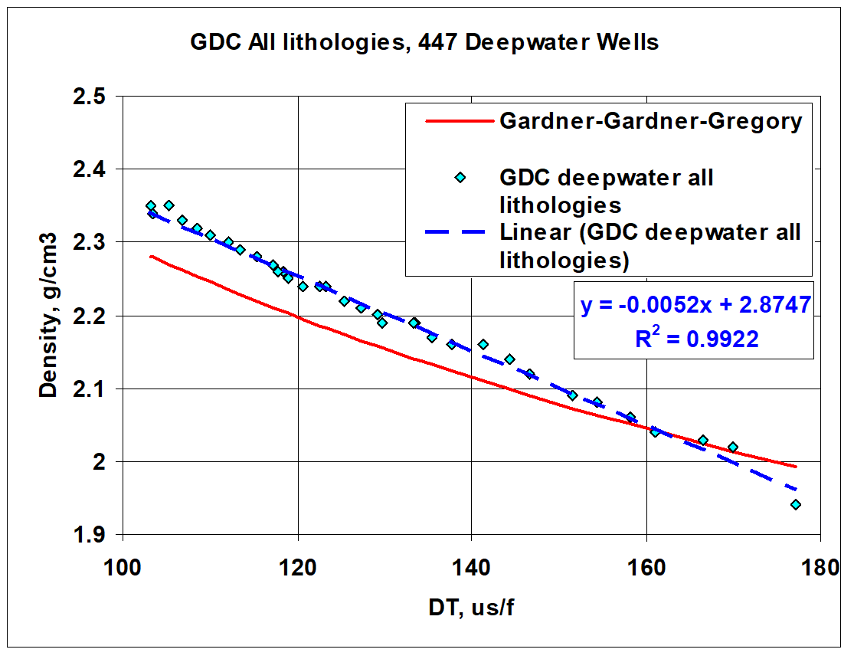
time, ms | depth subsea, ft
0 | 0
1325 | 6625
2069 | 11153
2076 | 11203
2110 | 11453
2144 | 11703
2177 | 11953
2209 | 12203
2241 | 12453
2275 | 12703
2306 | 12953
2339 | 13203
2370 | 13453
2402 | 13703
2434 | 13953
2465 | 14203
2495 | 14453
2525 | 14703
2557 | 14953
2587 | 15201
2616 | 15449
2645 | 15690
2673 | 15923
2698 | 16141
2719 | 16334
2739 | 16506
2758 | 16669
2777 | 16832
2795 | 16996
2811 | 17158
2828 | 17316
2842 | 17435

ExampleWell for class
Example Well Logs

Based on actual well data, but modified significantly.

measured |  |  | compress. | shear |  | clay | total | water
depth | gamma-ray | resistiivity | slowness | slowness | density | volume | porosity | saturation
DEPTH | GR | RESISTIVITY | DTC | DTS | RHOB | VCL | PHIT | SWT
ft | GAPI | ohmm | us/ft | us/ft | g/cm3 | V/V | v/v | V/V
16720 | 103.75 | 0.94 | 109.221 | 239.086 | 2.372 | 0.414 | 0.284 | 1.000
Example Well
 | GR
103.75 | 16720
103.82 | 16721
103.59 | 16722
103.03 | 16723
102.97 | 16724
103.80 | 16725
104.30 | 16726
104.00 | 16727
103.47 | 16728
104.02 | 16729
104.65 | 16730
104.51 | 16731
104.09 | 16732
104.11 | 16733
104.79 | 16734
104.43 | 16735
104.92 | 16736
105.34 | 16737
105.96 | 16738
106.04 | 16739
105.83 | 16740
105.80 | 16741
106.09 | 16742
106.80 | 16743
107.00 | 16744
107.02 | 16745
106.88 | 16746
106.71 | 16747
106.65 | 16748
107.40 | 16749
107.81 | 16750
108.29 | 16751
108.65 | 16752
108.24 | 16753
107.51 | 16754
107.10 | 16755
107.22 | 16756
107.20 | 16757
107.59 | 16758
107.14 | 16759
106.02 | 16760
105.43 | 16761
105.16 | 16762
105.65 | 16763
105.84 | 16764
105.96 | 16765
106.26 | 16766
105.50 | 16767
105.03 | 16768
105.20 | 16769
...
Example Well
 | VCL |  | SWT
0.414 | 16720 | 1.000 | 16720
0.413 | 16721 | 1.000 | 16721
0.415 | 16722 | 1.000 | 16722
0.410 | 16723 | 1.000 | 16723
0.414 | 16724 | 1.000 | 16724
0.414 | 16725 | 1.000 | 16725
0.417 | 16726 | 1.000 | 16726
0.420 | 16727 | 1.000 | 16727
0.419 | 16728 | 1.000 | 16728
0.427 | 16729 | 1.000 | 16729
0.429 | 16730 | 1.000 | 16730
0.427 | 16731 | 1.000 | 16731
0.423 | 16732 | 1.000 | 16732
0.426 | 16733 | 1.000 | 16733
0.424 | 16734 | 1.000 | 16734
0.429 | 16735 | 1.000 | 16735
0.435 | 16736 | 1.000 | 16736
0.441 | 16737 | 1.000 | 16737
0.445 | 16738 | 1.000 | 16738
0.432 | 16739 | 1.000 | 16739
0.432 | 16740 | 1.000 | 16740
0.431 | 16741 | 1.000 | 16741
0.436 | 16742 | 1.000 | 16742
0.442 | 16743 | 1.000 | 16743
0.441 | 16744 | 1.000 | 16744
0.435 | 16745 | 1.000 | 16745
0.434 | 16746 | 1.000 | 16746
0.430 | 16747 | 1.000 | 16747
0.435 | 16748 | 1.000 | 16748
0.444 | 16749 | 1.000 | 16749
0.454 | 16750 | 1.000 | 16750
0.451 | 16751 | 1.000 | 16751
0.444 | 16752 | 1.000 | 16752
0.442 | 16753 | 1.000 | 16753
0.442 | 16754 | 1.000 | 16754
0.447 | 16755 | 1.000 | 16755
0.453 | 16756 | 1.000 | 16756
0.454 | 16757 | 1.000 | 16757
0.449 | 16758 | 1.000 | 16758
0.433 | 16759 | 1.000 | 16759
0.418 | 16760 | 1.000 | 16760
0.414 | 16761 | 1.000 | 16761
0.411 | 16762 | 1.000 | 16762
0.406 | 16763 | 1.000 | 16763
0.401 | 16764 | 1.000 | 16764
0.398 | 16765 | 1.000 | 16765
0.401 | 16766 | 1.000 | 16766
0.400 | 16767 | 1.000 | 16767
0.399 | 16768 | 1.000 | 16768
0.399 | 16769 | 1.000 | 16769
...
Example Well
 | VCL
2.372 | 16720
2.372 | 16721
2.372 | 16722
2.373 | 16723
2.375 | 16724
2.375 | 16725
2.375 | 16726
2.376 | 16727
2.378 | 16728
2.382 | 16729
2.386 | 16730
2.388 | 16731
2.388 | 16732
2.388 | 16733
2.387 | 16734
2.389 | 16735
2.392 | 16736
2.393 | 16737
2.393 | 16738
2.390 | 16739
2.386 | 16740
2.383 | 16741
2.384 | 16742
2.385 | 16743
2.387 | 16744
2.386 | 16745
2.385 | 16746
2.383 | 16747
2.384 | 16748
2.385 | 16749
2.387 | 16750
2.387 | 16751
2.387 | 16752
2.387 | 16753
2.385 | 16754
2.384 | 16755
2.384 | 16756
2.384 | 16757
2.383 | 16758
2.380 | 16759
2.379 | 16760
2.381 | 16761
2.381 | 16762
2.382 | 16763
2.385 | 16764
2.389 | 16765
2.393 | 16766
2.396 | 16767
2.399 | 16768
2.403 | 16769
...
Example Well
 | DTC |  | DTS
109.221 | 16720 | 239.086 | 16720
109.343 | 16721 | 239.484 | 16721
109.555 | 16722 | 240.359 | 16722
109.896 | 16723 | 241.349 | 16723
110.391 | 16724 | 243.415 | 16724
110.939 | 16725 | 245.494 | 16725
111.284 | 16726 | 246.963 | 16726
111.417 | 16727 | 247.624 | 16727
111.418 | 16728 | 247.578 | 16728
111.274 | 16729 | 247.433 | 16729
111.003 | 16730 | 246.523 | 16730
110.653 | 16731 | 245.088 | 16731
110.189 | 16732 | 243.165 | 16732
109.718 | 16733 | 241.574 | 16733
109.165 | 16734 | 239.385 | 16734
108.763 | 16735 | 238.167 | 16735
108.425 | 16736 | 237.245 | 16736
108.104 | 16737 | 236.360 | 16737
107.862 | 16738 | 235.681 | 16738
107.867 | 16739 | 235.038 | 16739
108.131 | 16740 | 236.031 | 16740
108.425 | 16741 | 237.011 | 16741
108.634 | 16742 | 238.082 | 16742
108.842 | 16743 | 239.109 | 16743
109.052 | 16744 | 239.865 | 16744
109.223 | 16745 | 240.188 | 16745
109.164 | 16746 | 239.893 | 16746
109.091 | 16747 | 239.440 | 16747
109.240 | 16748 | 240.262 | 16748
109.655 | 16749 | 242.283 | 16749
110.196 | 16750 | 244.808 | 16750
110.692 | 16751 | 246.548 | 16751
111.000 | 16752 | 247.333 | 16752
111.145 | 16753 | 247.788 | 16753
111.198 | 16754 | 247.977 | 16754
111.315 | 16755 | 248.700 | 16755
111.593 | 16756 | 250.077 | 16756
111.817 | 16757 | 251.007 | 16757
111.837 | 16758 | 250.782 | 16758
111.584 | 16759 | 248.975 | 16759
111.224 | 16760 | 246.790 | 16760
111.037 | 16761 | 245.843 | 16761
110.926 | 16762 | 245.288 | 16762
110.802 | 16763 | 244.557 | 16763
110.485 | 16764 | 243.112 | 16764
110.034 | 16765 | 241.277 | 16765
109.579 | 16766 | 239.756 | 16766
109.183 | 16767 | 238.245 | 16767
108.972 | 16768 | 237.415 | 16768
108.845 | 16769 | 236.929 | 16769
...
16721 | 103.82 | 0.94 | 109.343 | 239.484 | 2.372 | 0.413 | 0.284 | 1.000
16722 | 103.59 | 0.94 | 109.555 | 240.359 | 2.372 | 0.415 | 0.284 | 1.000
16723 | 103.03 | 0.94 | 109.896 | 241.349 | 2.373 | 0.410 | 0.282 | 1.000
16724 | 102.97 | 0.94 | 110.391 | 243.415 | 2.375 | 0.414 | 0.282 | 1.000
16725 | 103.80 | 0.94 | 110.939 | 245.494 | 2.375 | 0.414 | 0.282 | 1.000
16726 | 104.30 | 0.94 | 111.284 | 246.963 | 2.375 | 0.417 | 0.283 | 1.000
16727 | 104.00 | 0.94 | 111.417 | 247.624 | 2.376 | 0.420 | 0.283 | 1.000
16728 | 103.47 | 0.94 | 111.418 | 247.578 | 2.378 | 0.419 | 0.282 | 1.000
16729 | 104.02 | 0.94 | 111.274 | 247.433 | 2.382 | 0.427 | 0.282 | 1.000
16730 | 104.65 | 0.94 | 111.003 | 246.523 | 2.386 | 0.429 | 0.280 | 1.000
16731 | 104.51 | 0.94 | 110.653 | 245.088 | 2.388 | 0.427 | 0.278 | 1.000
16732 | 104.09 | 0.94 | 110.189 | 243.165 | 2.388 | 0.423 | 0.277 | 1.000
16733 | 104.11 | 0.95 | 109.718 | 241.574 | 2.388 | 0.426 | 0.279 | 1.000
16734 | 104.79 | 0.95 | 109.165 | 239.385 | 2.387 | 0.424 | 0.278 | 1.000
16735 | 104.43 | 0.95 | 108.763 | 238.167 | 2.389 | 0.429 | 0.279 | 1.000
16736 | 104.92 | 0.95 | 108.425 | 237.245 | 2.392 | 0.435 | 0.279 | 1.000
16737 | 105.34 | 0.95 | 108.104 | 236.360 | 2.393 | 0.441 | 0.279 | 1.000
16738 | 105.96 | 0.95 | 107.862 | 235.681 | 2.393 | 0.445 | 0.281 | 1.000
16739 | 106.04 | 0.95 | 107.867 | 235.038 | 2.390 | 0.432 | 0.279 | 1.000
16740 | 105.83 | 0.95 | 108.131 | 236.031 | 2.386 | 0.432 | 0.281 | 1.000
16741 | 105.80 | 0.95 | 108.425 | 237.011 | 2.383 | 0.431 | 0.282 | 1.000
16742 | 106.09 | 0.95 | 108.634 | 238.082 | 2.384 | 0.436 | 0.284 | 1.000
16743 | 106.80 | 0.94 | 108.842 | 239.109 | 2.385 | 0.442 | 0.284 | 1.000
16744 | 107.00 | 0.94 | 109.052 | 239.865 | 2.387 | 0.441 | 0.283 | 1.000
16745 | 107.02 | 0.94 | 109.223 | 240.188 | 2.386 | 0.435 | 0.282 | 1.000
16746 | 106.88 | 0.93 | 109.164 | 239.893 | 2.385 | 0.434 | 0.282 | 1.000
16747 | 106.71 | 0.93 | 109.091 | 239.440 | 2.383 | 0.430 | 0.282 | 1.000
16748 | 106.65 | 0.92 | 109.240 | 240.262 | 2.384 | 0.435 | 0.283 | 1.000
16749 | 107.40 | 0.91 | 109.655 | 242.283 | 2.385 | 0.444 | 0.285 | 1.000
16750 | 107.81 | 0.90 | 110.196 | 244.808 | 2.387 | 0.454 | 0.287 | 1.000
16751 | 108.29 | 0.90 | 110.692 | 246.548 | 2.387 | 0.451 | 0.286 | 1.000
16752 | 108.65 | 0.90 | 111.000 | 247.333 | 2.387 | 0.444 | 0.284 | 1.000
16753 | 108.24 | 0.90 | 111.145 | 247.788 | 2.387 | 0.442 | 0.283 | 1.000
16754 | 107.51 | 0.90 | 111.198 | 247.977 | 2.385 | 0.442 | 0.284 | 1.000
16755 | 107.10 | 0.90 | 111.315 | 248.700 | 2.384 | 0.447 | 0.287 | 1.000
16756 | 107.22 | 0.91 | 111.593 | 250.077 | 2.384 | 0.453 | 0.288 | 1.000
16757 | 107.20 | 0.91 | 111.817 | 251.007 | 2.384 | 0.454 | 0.289 | 1.000
16758 | 107.59 | 0.92 | 111.837 | 250.782 | 2.383 | 0.449 | 0.288 | 1.000
16759 | 107.14 | 0.93 | 111.584 | 248.975 | 2.380 | 0.433 | 0.285 | 1.000
16760 | 106.02 | 0.94 | 111.224 | 246.790 | 2.379 | 0.418 | 0.281 | 1.000
16761 | 105.43 | 0.95 | 111.037 | 245.843 | 2.381 | 0.414 | 0.279 | 1.000
16762 | 105.16 | 0.96 | 110.926 | 245.288 | 2.381 | 0.411 | 0.278 | 1.000
16763 | 105.65 | 0.97 | 110.802 | 244.557 | 2.382 | 0.406 | 0.276 | 1.000
16764 | 105.84 | 0.97 | 110.485 | 243.112 | 2.385 | 0.401 | 0.273 | 1.000
16765 | 105.96 | 0.98 | 110.034 | 241.277 | 2.389 | 0.398 | 0.270 | 1.000
16766 | 106.26 | 0.99 | 109.579 | 239.756 | 2.393 | 0.401 | 0.268 | 1.000
16767 | 105.50 | 0.99 | 109.183 | 238.245 | 2.396 | 0.400 | 0.266 | 1.000
16768 | 105.03 | 0.99 | 108.972 | 237.415 | 2.399 | 0.399 | 0.264 | 1.000
16769 | 105.20 | 1.00 | 108.845 | 236.929 | 2.403 | 0.399 | 0.261 | 1.000
16770 | 105.60 | 0.99 | 108.769 | 236.859 | 2.406 | 0.403 | 0.261 | 1.000
16771 | 105.42 | 0.99 | 108.689 | 236.553 | 2.401 | 0.402 | 0.264 | 1.000
16772 | 104.62 | 0.98 | 108.669 | 236.343 | 2.397 | 0.400 | 0.265 | 1.000
16773 | 104.10 | 0.98 | 109.020 | 237.467 | 2.394 | 0.397 | 0.266 | 1.000
16774 | 103.83 | 0.97 | 109.806 | 240.350 | 2.391 | 0.397 | 0.268 | 1.000
16775 | 103.89 | 0.96 | 110.931 | 244.864 | 2.388 | 0.403 | 0.272 | 1.000
16776 | 104.08 | 0.95 | 112.099 | 248.984 | 2.383 | 0.398 | 0.273 | 1.000
16777 | 104.48 | 0.94 | 113.328 | 253.300 | 2.380 | 0.391 | 0.273 | 1.000
16778 | 105.19 | 0.94 | 114.698 | 258.517 | 2.376 | 0.389 | 0.275 | 1.000
16779 | 105.22 | 0.93 | 116.071 | 263.838 | 2.371 | 0.388 | 0.277 | 1.000
16780 | 105.00 | 0.92 | 117.251 | 268.533 | 2.367 | 0.387 | 0.280 | 1.000
16781 | 105.03 | 0.92 | 118.036 | 271.971 | 2.369 | 0.391 | 0.279 | 1.000
16782 | 105.38 | 0.91 | 118.438 | 273.320 | 2.372 | 0.386 | 0.276 | 1.000
16783 | 105.98 | 0.90 | 118.426 | 273.363 | 2.375 | 0.388 | 0.275 | 1.000
16784 | 106.61 | 0.90 | 118.150 | 272.739 | 2.376 | 0.396 | 0.276 | 1.000
16785 | 106.86 | 0.90 | 117.687 | 270.812 | 2.372 | 0.395 | 0.279 | 1.000
16786 | 106.14 | 0.90 | 117.406 | 269.272 | 2.367 | 0.389 | 0.280 | 1.000
16787 | 105.12 | 0.90 | 117.284 | 268.288 | 2.365 | 0.381 | 0.279 | 1.000
16788 | 104.73 | 0.89 | 117.091 | 267.476 | 2.365 | 0.380 | 0.279 | 1.000
16789 | 104.71 | 0.89 | 116.577 | 265.315 | 2.367 | 0.378 | 0.277 | 1.000
16790 | 104.68 | 0.89 | 115.822 | 262.337 | 2.369 | 0.379 | 0.276 | 1.000
16791 | 104.69 | 0.89 | 115.186 | 259.722 | 2.370 | 0.377 | 0.275 | 1.000
16792 | 104.55 | 0.89 | 114.916 | 258.740 | 2.368 | 0.378 | 0.277 | 1.000
16793 | 104.24 | 0.89 | 115.118 | 259.858 | 2.365 | 0.384 | 0.279 | 1.000
16794 | 103.46 | 0.89 | 115.633 | 261.598 | 2.364 | 0.379 | 0.279 | 1.000
16795 | 103.04 | 0.88 | 116.219 | 263.341 | 2.365 | 0.369 | 0.275 | 1.000
16796 | 103.28 | 0.87 | 116.591 | 265.053 | 2.370 | 0.373 | 0.274 | 1.000
16797 | 103.39 | 0.87 | 116.495 | 265.182 | 2.373 | 0.382 | 0.274 | 1.000
16798 | 103.61 | 0.86 | 116.047 | 263.652 | 2.375 | 0.386 | 0.274 | 1.000
16799 | 103.22 | 0.85 | 115.546 | 261.724 | 2.375 | 0.387 | 0.274 | 1.000
16800 | 102.43 | 0.85 | 115.432 | 261.156 | 2.371 | 0.385 | 0.276 | 1.000
16801 | 101.40 | 0.84 | 115.595 | 261.265 | 2.366 | 0.376 | 0.277 | 1.000
16802 | 100.75 | 0.84 | 115.734 | 261.136 | 2.360 | 0.364 | 0.277 | 1.000
16803 | 99.72 | 0.84 | 115.613 | 260.317 | 2.356 | 0.358 | 0.278 | 1.000
16804 | 99.20 | 0.83 | 115.154 | 258.100 | 2.349 | 0.351 | 0.280 | 1.000
16805 | 98.75 | 0.83 | 114.521 | 256.288 | 2.346 | 0.362 | 0.285 | 1.000
16806 | 97.95 | 0.83 | 113.907 | 253.695 | 2.344 | 0.358 | 0.285 | 1.000
16807 | 97.06 | 0.83 | 113.602 | 251.881 | 2.340 | 0.346 | 0.284 | 1.000
16808 | 96.41 | 0.83 | 113.633 | 251.474 | 2.335 | 0.337 | 0.285 | 1.000
16809 | 96.13 | 0.83 | 113.898 | 251.843 | 2.329 | 0.325 | 0.285 | 1.000
16810 | 95.73 | 0.83 | 114.226 | 252.499 | 2.325 | 0.315 | 0.285 | 1.000
16811 | 95.52 | 0.83 | 114.516 | 253.694 | 2.323 | 0.316 | 0.286 | 1.000
16812 | 95.27 | 0.82 | 114.763 | 254.824 | 2.322 | 0.320 | 0.288 | 1.000
16813 | 95.31 | 0.82 | 114.851 | 255.019 | 2.320 | 0.317 | 0.288 | 1.000
16814 | 95.19 | 0.81 | 114.845 | 254.243 | 2.319 | 0.304 | 0.285 | 1.000
...

